area
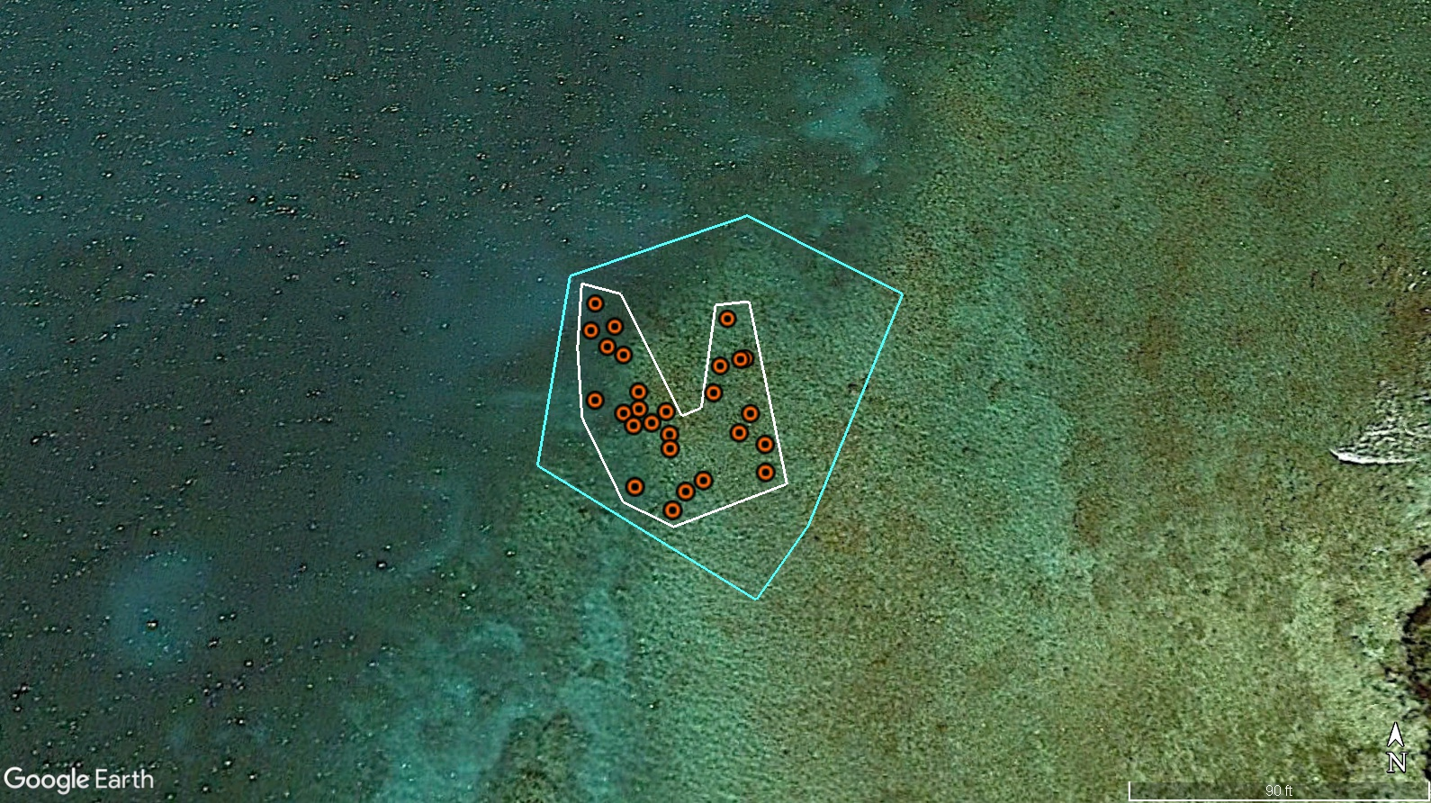
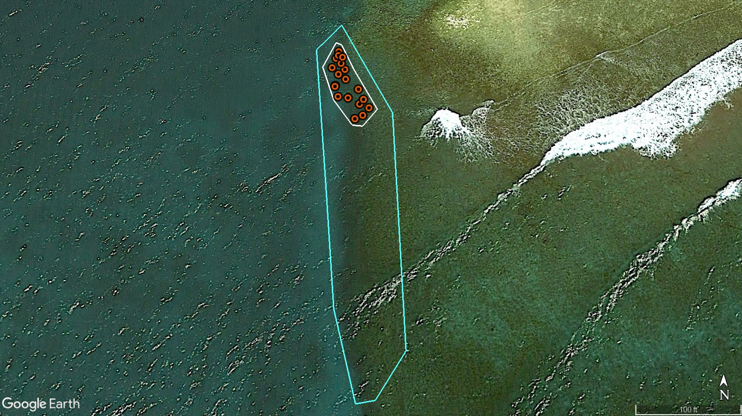
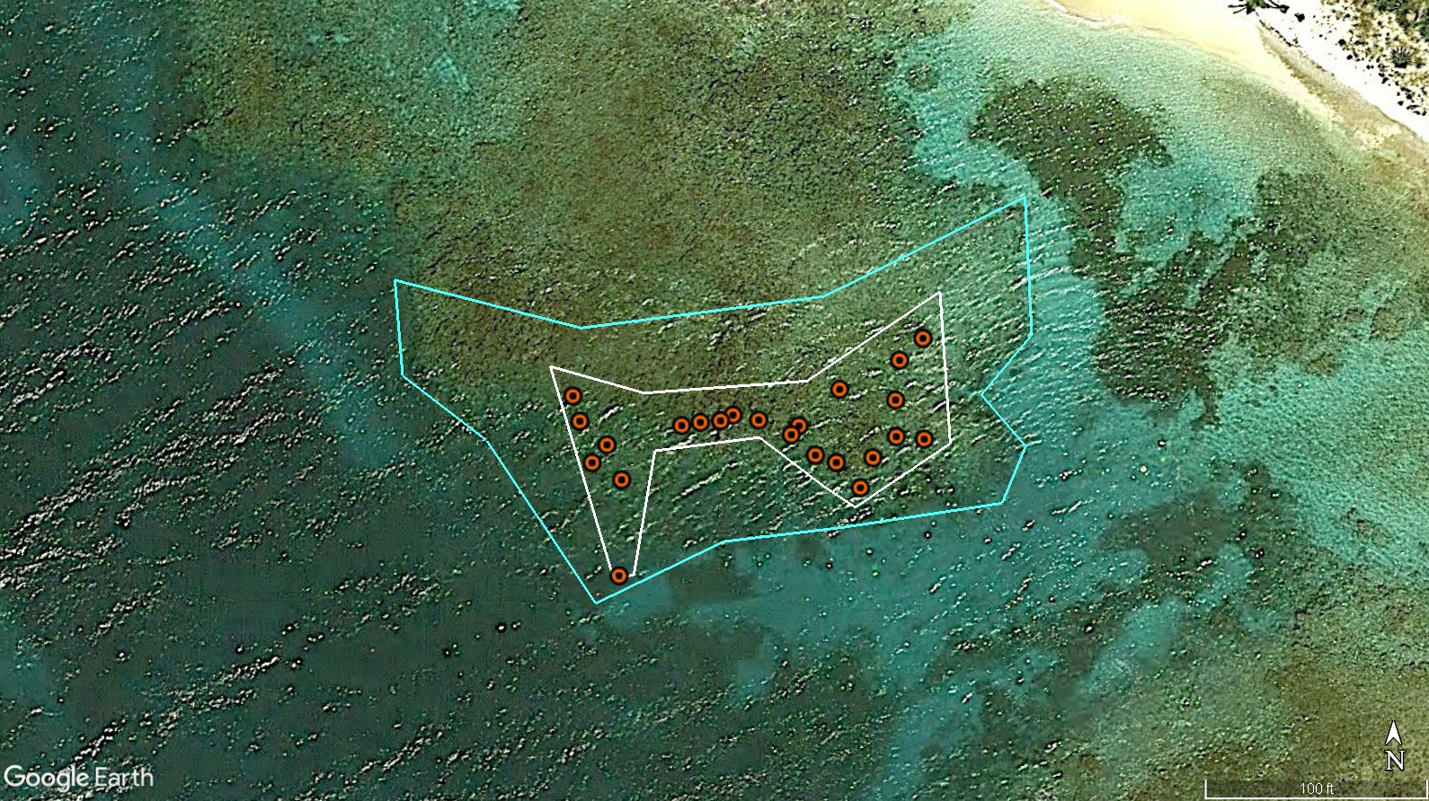
Site | Total acres to be restored (2022-2024) | Restored acres to date | % restored | Remaining acres to be restored | # of corals planted to date | # of corals per sq.m (planting density) | Approx # of corals to be planted (based on density) | Approx # of corals to be planted (based on % restored vs numbers of corals)
TPB | 0.65 | 0.19 | 29.23% | 0.46 | 1478.00 | 1.92 | 3578.32 | 3578.32
York | 0.33 | 0.11 | 33.33% | 0.22 | 1627.00 | 3.65 | 3254.00 | 3254.00
Ricketts | 0.57 | 0.10 | 17.54% | 0.47 | 1199.00 | 2.96 | 5635.30 | 5635.30
total | 1.55 | 0.40 | 25.81% | 1.15 | 4304.00 | 2.85 | 12467.62 | 12374.00

 | Total corals to plant | 16678.00
 | Total corals planted | 4304.00

